Epithelial Cells
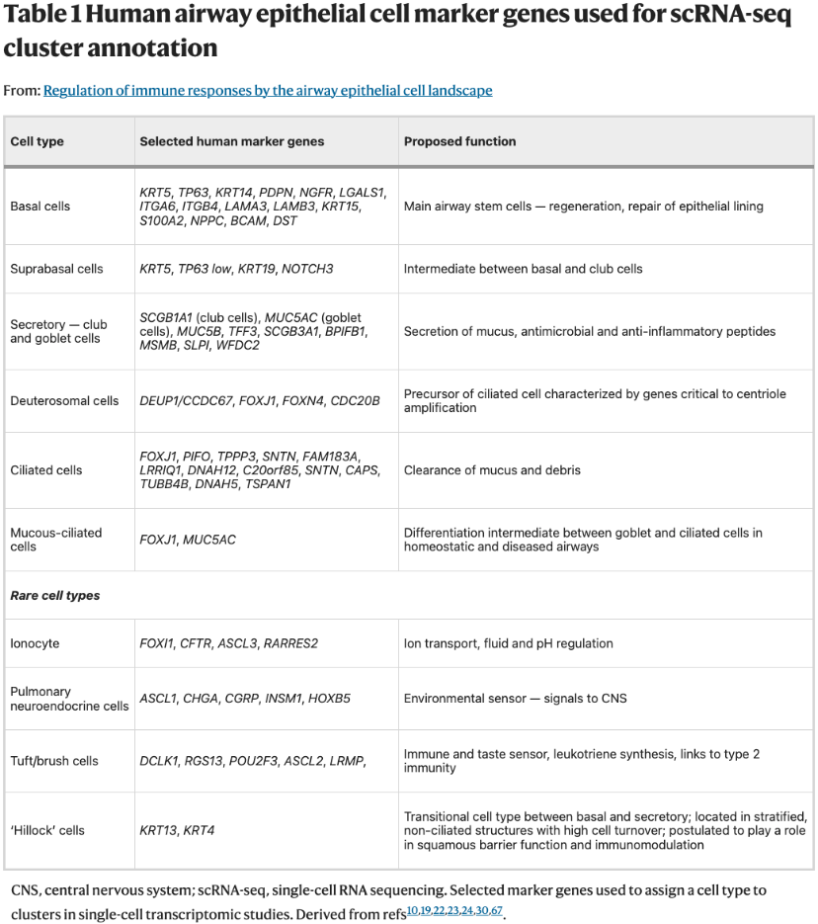
Basal | KRT5
Basal | TP63
Basal | MMP10
Basal | KRT14
Basal | PDPN
Basal | NGFR
Basal | LGALS1
Basal | ITGA6
Basal | ITGB4
Basal | LAMA3
Basal | KRT15
Basal | S100A2
Basal | NPPC
Basal | BCAM
Basal | DST
Transitional | KRT19
Transitional | NOTCH3
Transitional | KRT6A
Transitional | KRT4
Transitional | KRT13
Transitional | KRT8
Secretory | SCGB1A1
Secretory | SCGB3A1
Secretory | SCGB3A2
Secretory | MUC5AC
Secretory | MUC5B
Secretory | TFF3
Secretory | BPIFB1
Secretory | MSMB
Secretory | SLPI
Secretory | WFDC2
Ciliated | FOXJ1
Ciliated | PIFO
Ciliated | TPPP3
Ciliated | CAPS
Ciliated | TUBB4B
Ciliated | DNAH5
Ciliated | TSPAN1
Ionocyte | FOXI1
Ionocyte | CFTR
Ionocyte | ASCL3
Ionocyte | RARRES2
Cycling | MKI67
Cycling | TOP2A
Cycling | AURKA
Cycling_Immune | CD4
Cycling_Immune | CD8A
Cycling_Immune | BCL11B
Cycling_Immune | ITGAM
Cycling_Immune | ITGAX

